All Data
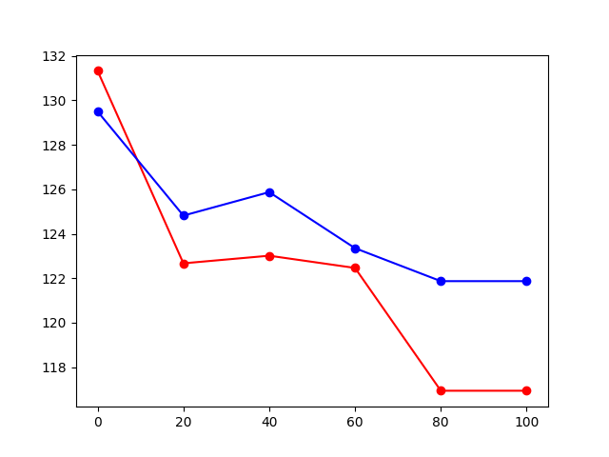
Percentage | S37_S1_H | S37_S2_L | S10_S2_L | S16_S1_H | S25_S2_H | S43_S1_H | S06_S2_L | S39_S2_L | S44_S2_L | S44_S1_H | S06_S1_H | S25_S1_L | S43_S2_L | S39_S1_H | S16_S2_L | S10_S1_H | H_Avg | L_Avg
0 | 125.83785945 | 130.86515179 | 115.72580973 | 139.18756939 | 130.86515179 | 109.45512187 | 133.83048415 | 139.97070301 | 132.33925385 | 140.75837328 | 131.60007414 | 126.54365899 | 118.33727674 | 150.57399527 | 138.40894629 | 122.3693721 | 131.33093966 | 129.50266057
20 | 121.68761468 | 127.25354719 | 109.45512187 | 140.75837328 | 127.96754772 | 104.11298906 | 137.63480772 | 118.99962585 | 129.40798124 | 130.13446229 | 119.66581191 | 125.13612502 | 113.8064272 | 125.13612502 | 136.86512787 | 111.9200185 | 122.67286781 | 124.81984549
40 | 126.54365899 | 137.63480772 | 123.0550789 | 135.33904171 | 135.33904171 | 111.29844493 | 133.08271559 | 130.13446229 | 123.74475795 | 134.58258449 | 125.13612502 | 121.0097839 | 100.70277313 | 108.24386649 | 137.63480772 | 107.643466 | 123.01577867 | 125.8748984
60 | 123.74475795 | 127.96754772 | 116.37303077 | 136.86512787 | 121.68761468 | 107.04652356 | 117.67874249 | 133.83048415 | 128.68568442 | 134.58258449 | 121.0097839 | 117.02400111 | 107.643466 | 126.54365899 | 137.63480772 | 108.24386649 | 122.46548974 | 123.35472055
80 | 136.09988104 | 136.09988104 | 117.02400111 | 138.40894629 | 101.2629666 | 101.2629666 | 121.0097839 | 129.40798124 | 125.83785945 | 124.43843228 | 113.8064272 | 101.82640523 | 115.08231642 | 113.8064272 | 128.68568442 | 106.45301926 | 116.94238331 | 121.8717391
100 | 136.09988104 | 136.09988104 | 117.02400111 | 138.40894629 | 101.2629666 | 101.2629666 | 121.0097839 | 129.40798124 | 125.83785945 | 124.43843228 | 113.8064272 | 101.82640523 | 115.08231642 | 113.8064272 | 128.68568442 | 106.45301926 | 116.94238331 | 121.8717391

